Filters
PLATFORM FILTER STRUCTURE |  |  |  |  |  | PLATFORM PROFILE CREATION
Two user flows: |  |  |  |  |  | Three user flows:
 |  |  |  |  |  | 1. PET PARENT PROFILE (user who is offering their pet) | 2. PET PROFILE (each pet can have its own) | 3. PET FRIEND PROFILE (user who wants to care for pets)
1. Pet Owner Flow – Find a Pet Carer (Borrower) |  |  | 2. Pet Borrower Flow – Find a Pet to Borrow |  |  |  | 🔹 Basic Info | 🔹 Basic Info
Search Filters Sidebar: |  |  | Search Filters Sidebar: |  |  | 🔹 Basic Info | Pet Name | Full Name (full name will be shown after the booking confirmation, before shows only first name)
 |  |  |  |  |  | Full Name | Photos and/or videos | Profile Picture
Filter Category | Filter Type | Options/Input | Filter Category | Filter Type | Options/Input | Phone number | Type of animal (Dogs, Cats, Rabbits, Birds, Rodents, Fish, Reptile, Other ) | About Me / Bio (free text)
Availability | Calendar picker | Start date – End date | Pet Type | Icons/Checkbox | Dogs, Cats, Rabbits, Birds, Rodents, Fish, Reptile, Other | E-mail address | Breed of animal (dropdown + select) | Location (City, ZIP code) (Exact location will be shown ONLY after the booking confirmation, before shows the approximate location)
Time Commitment | Multi-select | Hourly, Daily, Weekend, Week, Month | Breed / Size | Dropdown + Select | Labrador etc (see below on the left), Small, Medium, Large | Profile Picture | Age (date of birth) | Languages Spoken (multi-select)
Where should the care happen? / Service | Multi-select | At the owner´s home (dog walks, daycare, home visit, Feeding only, Playtime visit)/ at the borrower´s home (Daycare, overnight care/ 24h stay) | Energy Level | Select or Slider | Low, Moderate, High | About Me / Bio (free text) | Gender (Male / Female / Neutered) | Verification Status (auto)
Location | Text or map with radius slider | e.g., Tallinn + 10km radius | Temperament | Tags or checkbox | Friendly, Shy, Vocal, Active, Calm, Kid-friendly, Dog-friendly, Cat-friendly, Protective | Location (City, ZIP code) (Exact location will be shown ONLY after the booking confirmation, before shows the approximate location) | Size (Small, Medium, Large, Giant – for relevant animals), weight
Experience | Radio or multi-select | First-timer, Some Experience, Expert | Care Duration | Calendar + Timeframe | One-time, Ongoing, Custom Dates | Languages Spoken (multi-select) | Energy Level (Low, Moderate, High) | 🔹 Pet Care Preferences
Pet Type Experience | Checkbox | Dogs, Cats, Rabbits, Birds, Rodents, Fish, Reptile, Other (if other then should be able to fill the free form) | Where should the care happen? /service | Select | At the owner´s home/ at the borrower´s home | Verification Status (auto, based on system) | 🔹 Temperament & Care | Types of Pets Willing to Care For (multi-select): (Dogs, Cats, Rabbits, Birds, Rodents, Fish, Reptile, Other )
Home Environment | Checkbox | Garden, Park nearby, Kids, Other Pets | Location | Text or map with radius slider | e.g., Tallinn + 10km radius |  | Temperament (multi-select): Friendly, Shy, Vocal, Active, Calm, Kid-friendly, Dog-friendly, Cat-friendly, Protective | Preferred Pet Sizes (Small, Medium, Large)
Living Type | Select | Apartment, House, Farm, etc. | Medical Needs | Toggle or checkbox | No special needs / Requires meds |  | Medical Needs: Requires medication (Yes/No) | Experience Level (select): First-timer, Some experience, Very experienced
Languages Spoken | Multi-select | Estonian, English, Russian, other (if other then free field to write the language) | Compatibility | Toggle | Must get along with my pet |  | Health characteristics (freeform) | Pet Types Previously Borrowed (multi-select)
Verification | Toggle | Verified profiles only | Activity Needs | Checkbox | Needs walks, Yard preferred, etc. |  | Feeding Schedule (free text or structured) | Willing to Care for Pets With: (checkboxes)
 |  |  | Owner's Expectations | Tags or info pop-ups | Sends updates, No couch, No treats |  | Walk Needs (select): None, 1x per day, 2x per day, more | Special medical needs
 |  |  |  |  |  |  | Eating habits (freeform) | Behavioral quirks
The filter is for both - owner and borrower |  |  |  |  |  |  | Positive traits (freeform) | Seniors
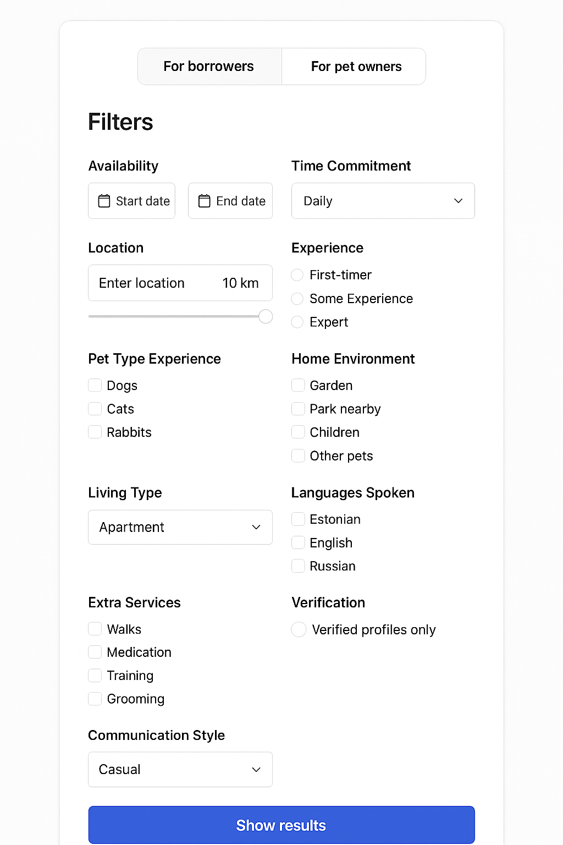
Where should the care happen? / Service |  |  |  | Example |  |  | Challenging traits (freeform) | Puppies/kittens
At owner´s home | At borrower´s home |  |  |  |  |  | Additional Notes (freeform)
(Multi-select or checklist) | (Multi-select or checklist) |  |  |  |  |  |  | 🔹 Availability
 |  |  |  |  |  |  | Pet Friend Requirements (multi-select): | Preferred Days / Times (calendar or repeating)
✅ Dog walk(s) | 🛏️ Daycare (daytime only) |  |  |  |  |  | Experienced only | Duration of Care Preferred: One-time, Weekend, Weekly, Monthly, Long-term
– Short walk / Long walk | – E.g. 8:00–18:00 |  |  |  |  |  | No children | Available Care Types (multi-select): walks, daycare, home visits, feeding only, play visit
 |  |  |  |  |  |  | No other pets | Preferred Care Location (select):
🛏️ Daycare (daytime only) | 🌙 Overnight care / 24h stay |  |  |  |  |  | Non-smoker | At my home
– E.g. 8:00–18:00 | – Pet stays the night with borrower |  |  |  |  |  | Pet-friendly home | At owner's home
 |  |  |  |  |  |  | 🔹 Availability & Preferences | Either / flexible
🏡 Home visit |  |  |  |  |  |  | Available Days / Time Ranges (calendar or recurring)
– Borrower visits owner's home to check in |  |  |  |  |  |  |  | 🔹 Home Environment
 |  |  |  |  |  |  | Care Location Preference (select one or more): | Living Type (Apartment, House, Farm)
🍽️ Feeding only |  |  |  |  |  |  | At owner’s home | Has Pets at Home? (Yes/No)
– Quick visit to feed the pet |  |  |  |  |  |  | At borrower’s home | Has Children? (Yes/No)
 |  |  |  |  |  |  | Either / flexible | Yard / Garden Access (Yes/No)
🐾 Playtime / companionship visit |  |  |  |  |  |  | Type of Care Needed (multi-select): walks, daycare, overnight stay, feeding only, playtime | Nearby Park Access (Yes/No)
– For pets needing social interaction |  |  |  |  |  |  | Calendar with dates of availability
 |  |  |  |  |  |  | (pets owner can create advanced personal rules) How often the pet can be borrowed
🌙 Overnight care / 24h stay |  |  |  |  |  |  | Location with map (should be approx only BEFORE booking) exact location available after booking
– Pet stays the night with borrower |  |  |  |  |  |  | SAVE THE PROFILE
The filter is for the borrower (owner fills it when making the profile for the pet) |  |  |  |  |  |  | On the pet´s profile - Below the pet information shows the owners information
Can be as a free form where the user fills the field themselves but prefferrably could be multi-select |  |  |  |  |  |  | Owenrs name
Dog breeds | Cat breeds | Rodents | Fish types |  |  |  | short description (if provided by the owner)
Australian Shepherd | Domestic Shorthair | Chinchilla | Angelfish
Beagle | Domestic Longhair | Degu | Betta |  |  | At owner´s home | At borrower´s home
Bichon Frisé | Maine Coon | Gerbil | Cichlid |  |  | (Multi-select or checklist) | (Multi-select or checklist)
Border Collie | Persian | Guinea Pig | Discus |  |  | ✅ Dog walk(s)
Boston Terrier | Ragdoll | Hamster | Goldfish |  |  | – Short walk / Long walk | 🛏️ Daycare (daytime only)
Boxer | British Shorthair | Mouse | Guppy |  |  | 🛏️ Daycare (daytime only) | – E.g. 8:00–18:00
Cavalier King Charles Spaniel | Siamese | Rat | Molly |  |  | – E.g. 8:00–18:00
Chihuahua | Bengal | Other (with free-text option) | Platy |  |  | 🏡 Home visit | 🌙 Overnight care / 24h stay
Cocker Spaniel | Sphynx |  | Saltwater Fish |  |  | – Borrower visits owner's home to check in | – Pet stays the night with borrower
Dachshund | Norwegian Forest Cat |  | Tetra |  |  | 🍽️ Feeding only
French Bulldog | Russian Blue |  | Other (with free-text option) |  |  | – Quick visit to feed the pet
German Shepard | Abyssinian |  |  |  |  | 🐾 Playtime / companionship visit
Golden Retriever | Exotic Shorthair |  |  |  |  | – For pets needing social interaction
Havanese | Turkish Angora |  |  |  |  | 🌙 Overnight care / 24h stay
Husky | Other (with free-text option) |  |  |  |  | – Pet stays the night with borrower
Labrador Retriever
Maltese | Rabbit breeds | Bird types | Reptile types
Miniature Schnauzer | American Fuzzy Lop | Budgie (Parakeet) | Ball Python
Papillon | English Lop | Canary | Bearded Dragon
Poodle (Standard, Miniature, Toy) | Flemish Giant | Cockatiel | Blue Tongue Skink
Shetland Sheepdog | Holland Lop | Cockatoo | Chameleon
Shih Tzu | Lionhead | Conure | Corn Snake
Whippet | Mini Lop | Finch | Crested Gecko
Yorkshire Terrier | Mini Rex | Lovebird | Leopard Gecko
Mixed Breed (excluding known restricted breed mixes) | Netherland Dwarf | Macaw | Red-Eared Slider
Other (with manual review or owner input) | Polish Rabbit | Parrot (Amazon, African Grey, etc.) | Tortoise
 | Other (with free-text option) | Other (with free-text option) | Other (with free-text option)

Web comments
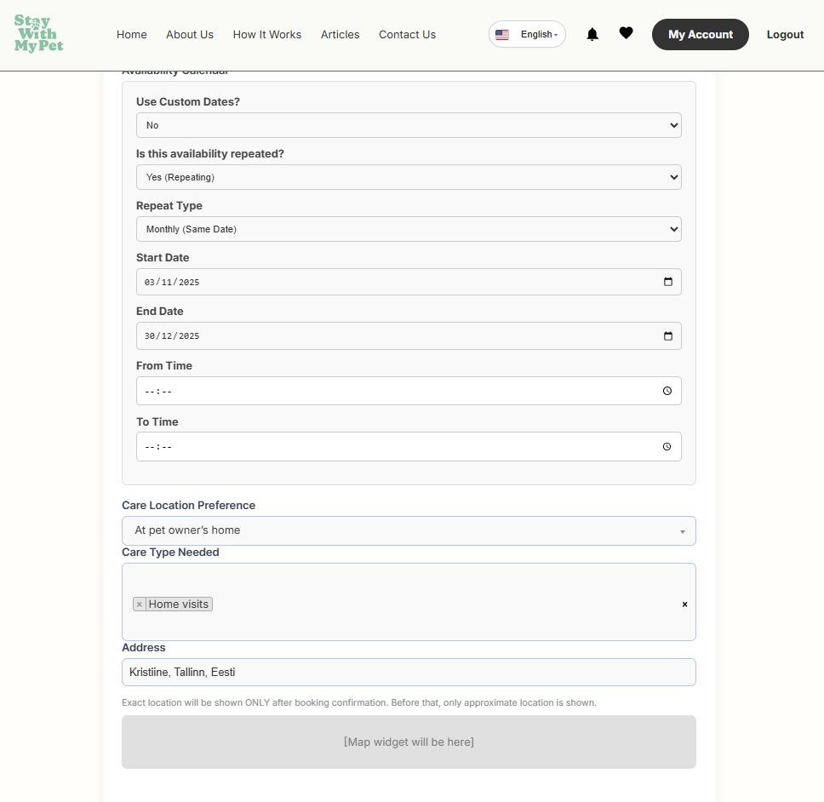
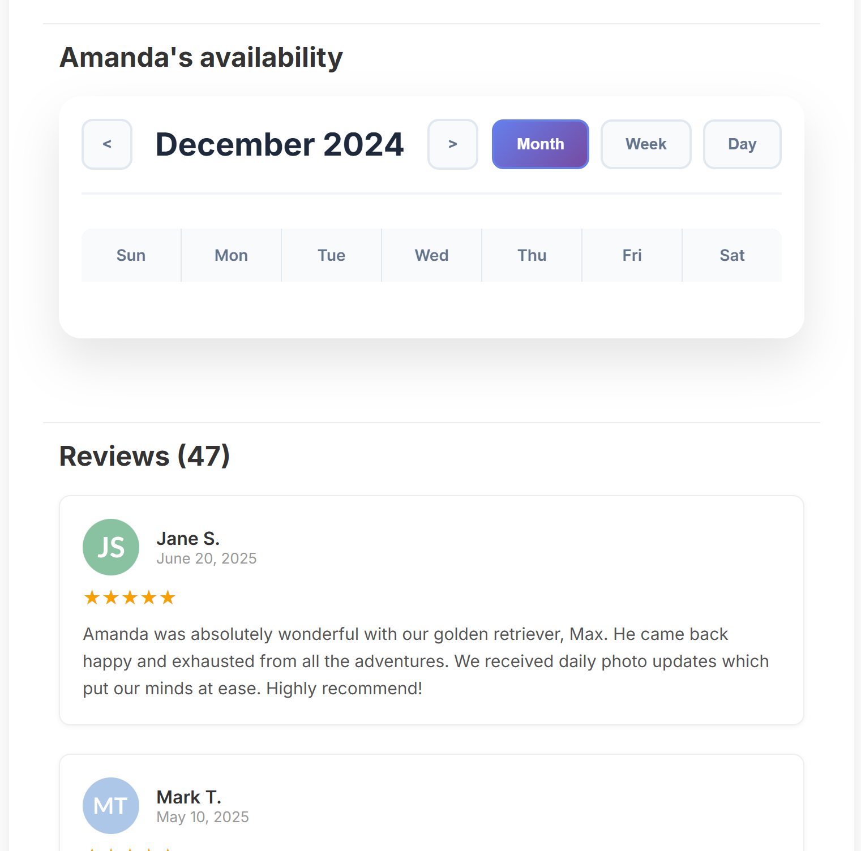
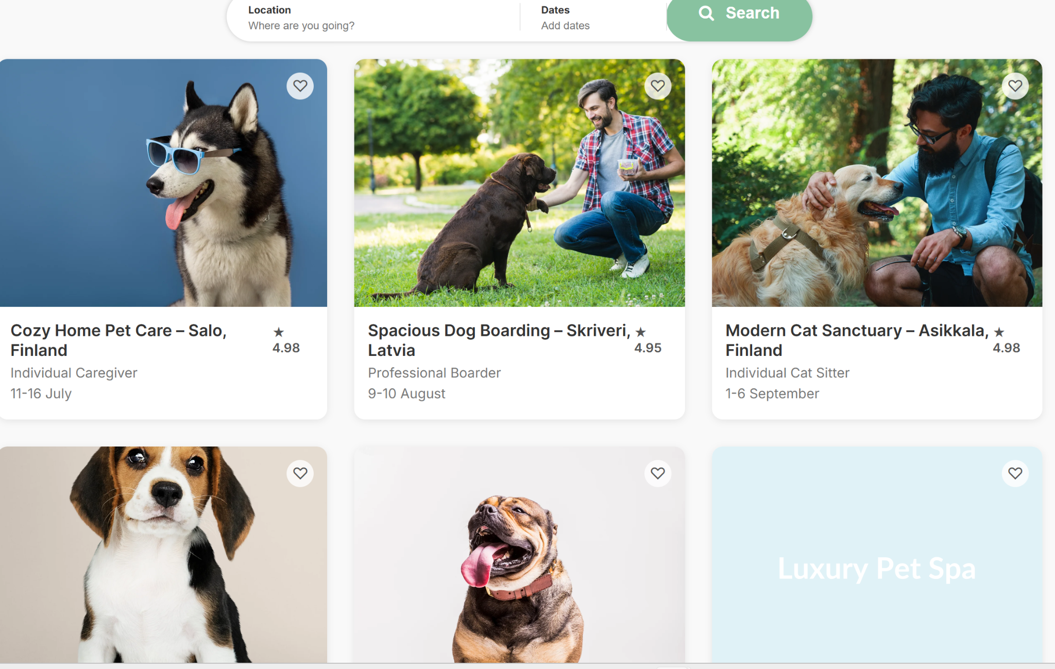
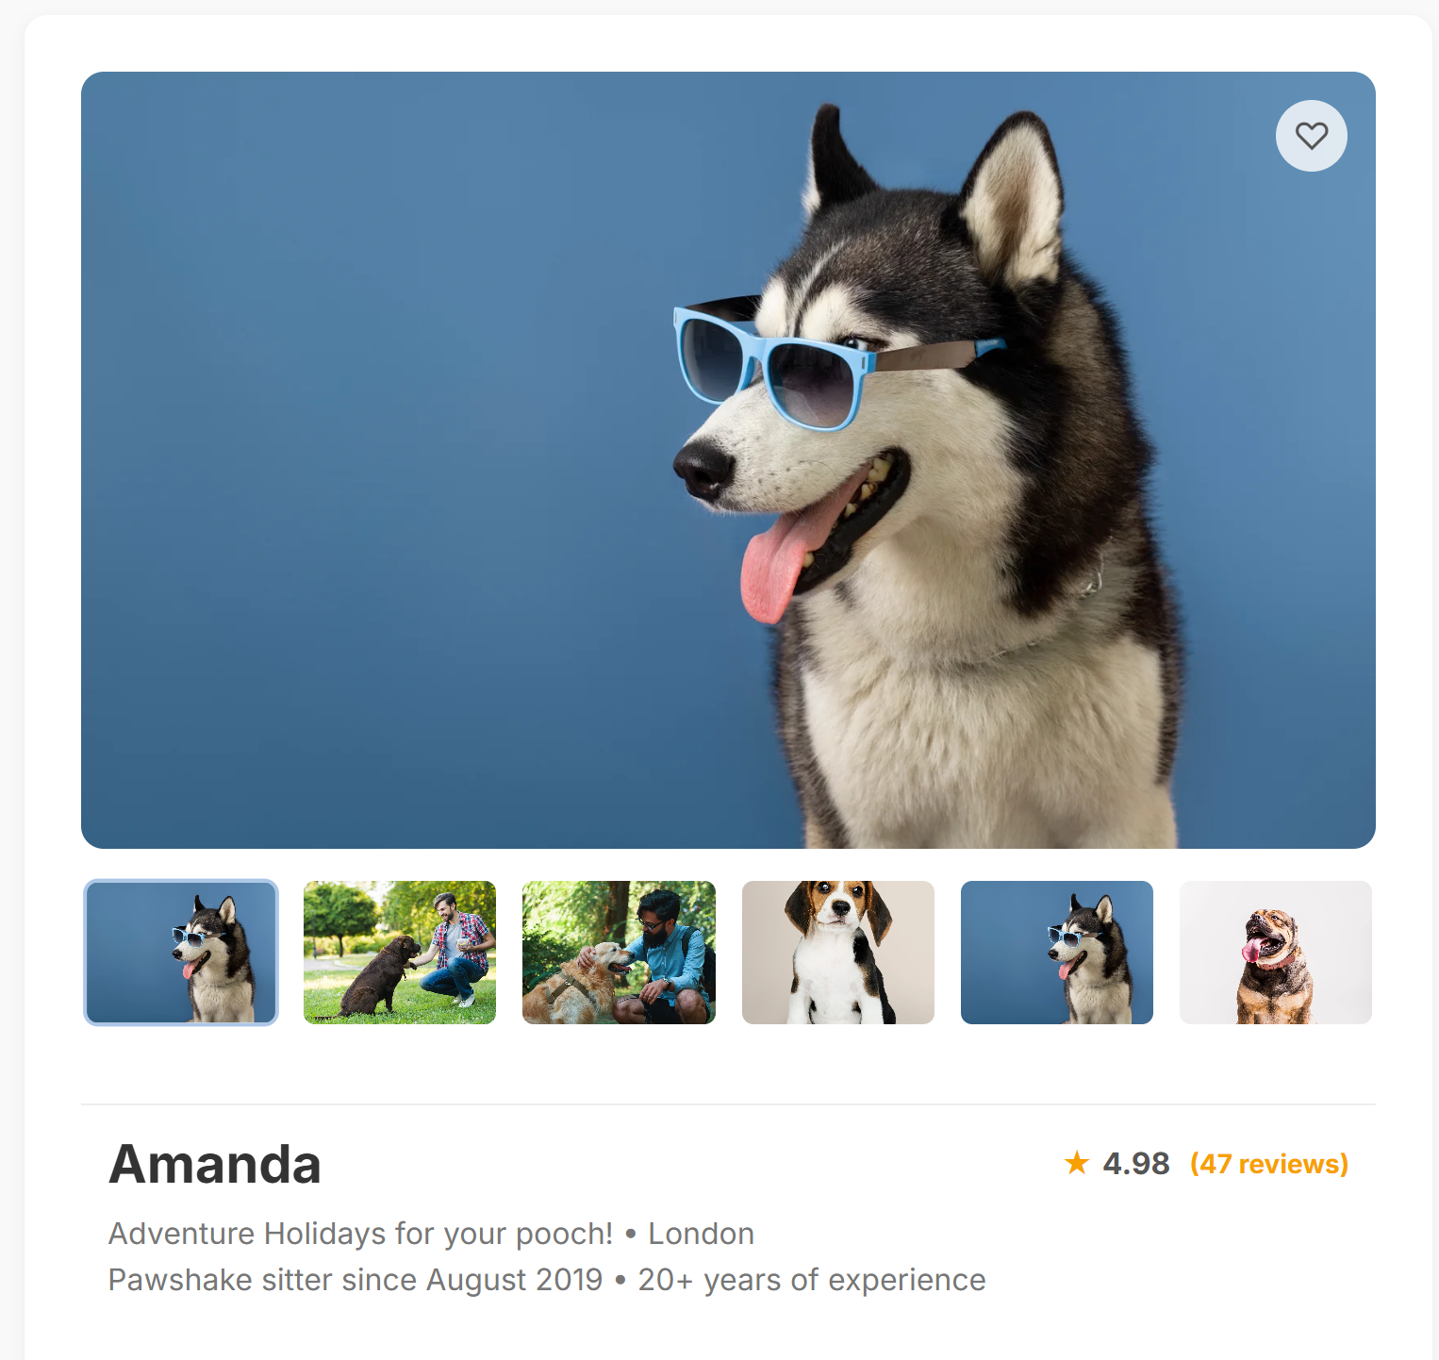
Here could also show the pet´s age and owner´s name | Before reviews could show short info about the owner - name and short description | Creating the pet profile - the map view is missing!
 |  | I filled in all the data but some fields left unflled. It didn´t allow me to save the profile and deleted all the filld information too. This can´t happen because itś very frustrating
 |  | Also I had asked to add save buttons in between. Please check the PPT presentation for the profiles that got sent already some time ago

Pet Parent
1. PET PARENT PROFILE (user who is offering their pet) | Title | Placeholder | Input type | Input | Comment
 | Your Profile
🔹 Basic Info | Share a little about yourself so pet friends know who you and your pet are.
Full Name | Upload your profile photo
Phone number | First Name | e.g. Kristiina | freeform |  | The full name will be only shown after booking. To all the platform browsers, first name is shown!
E-mail address | Last Name | e.g. Kask | freeform
Profile Picture | Street Address | e.g. Vana-Kalamaja | freeform |  | The exact address will be only shown after booking. To all the platform browsers, approximate location (~1km radius) is shown!
About Me / Bio (free text) | Apartment (optional) | e.g. Apt 8 | freeform
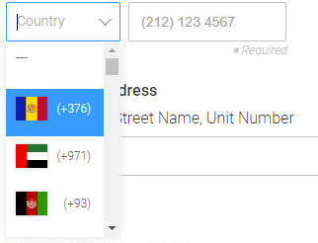
Location (City, ZIP code) (Exact location will be shown ONLY after the booking confirmation, before shows the approximate location) | Postal Code | e.g. 10412 | freeform
Languages Spoken (multi-select) | County / Region | e.g. Harjumaa | freeform
Verification Status (auto, based on system) | Country | e.g. Estonia | freeform
 | Email Address | e.g. kristiina@email.com | freeform
 | Phone Number | e.g. +372 5555 2345 | freeform |  | Could country code be selected?
 | Languahes You Speak | e.g. Estonian, English, Russian | multi-select | Estonian | Can I add or remove the languages myself from admin panel?
 |  |  |  | English
 |  |  |  | Russian
 |  |  |  | Finnish
 |  |  |  | Latvian
 |  |  |  | Lithuanian
 |  |  |  | Sewdish
 |  |  |  | German
 | About Me | e.g. “I’m a pet lover with a busy job, looking for extra company for my dog on long workdays.” | freeform
 | Save My Profile |  | Button

Pet Friend
3. PET FRIEND PROFILE (user who wants to care for pets) | Title | Placeholder | Input type | Input | Comment
🔹 Basic Info | Your Profile
Full Name (full name will be shown after the booking confirmation, before shows only first name) | Tell us about yourself, your lifestyle, and why you want to spend time with pets.
Profile Picture | Upload your profile photo
About Me / Bio (free text) | First Name | e.g. Kristiina | freeform |  | The full name will be only shown after booking. To all the platform browsers, first name is shown!
Location (City, ZIP code) (Exact location will be shown ONLY after the booking confirmation, before shows the approximate location) | Last Name | e.g. Kask | freeform
Languages Spoken (multi-select) | Street Address | e.g. Vana-Kalamaja | freeform |  | The exact address will be only shown after booking. To all the platform browsers, approximate location (~1km radius) is shown!
Verification Status (auto) | Apartment (optional) | e.g. Apt 8 | freeform
 | Postal Code | e.g. 10412 | freeform
🔹 Pet Care Preferences | County / Region | e.g. Harjumaa | freeform
Types of Pets Willing to Care For (multi-select): (Dogs, Cats, Rabbits, Birds, Rodents, Fish, Reptile, Other ) | Country | e.g. Estonia | freeform
Preferred Pet Sizes (Small, Medium, Large) | Email Address | e.g. kristiina@email.com | freeform
Experience Level (select): First-timer, Some experience, Very experienced | Phone Number | e.g. +372 5555 2345 | freeform |  | Could country code be selected?
Pet Types Previously Borrowed (multi-select) | Languahes You Speak | e.g. Estonian, English, Russian | multi-select | Estonian | Can I add or remove the languages myself from admin panel? I would not like to show so many languages in the beginning
Willing to Care for Pets With: (checkboxes) |  |  |  | English
Special medical needs |  |  |  | Russian
Behavioral quirks |  |  |  | Finnish
Seniors |  |  |  | Latvian
Puppies/kittens |  |  |  | Lithuanian
 |  |  |  | Sewdish
🔹 Availability |  |  |  | German
Preferred Days / Times (calendar or repeating) | About Me | e.g. “I work remotely and love spending time with animals. I’d be happy to walk, play, and care for your pet!” | freeform
Duration of Care Preferred: One-time, Weekend, Weekly, Monthly, Long-term | Save and Continue |  | Button
Available Care Types (multi-select): walks, daycare, home visits, feeding only, play visit | Pet Care preferences
Preferred Care Location (select): | Let pet owners know what kinds of pets you're most comfortable with, and how you’d like to care for them. This helps ensure a good match for both you and the pet.
At my home | Types of Pets Willing to Care For | e.g. Dogs, Cats, Rabbits | multiselect | Dog
At owner's home |  |  |  | Cat
Either / flexible |  |  |  | Rabbit
 |  |  |  | Bird
🔹 Home Environment |  |  |  | Rodent
Living Type (Apartment, House, Farm) |  |  |  | Fish
Has Pets at Home? (Yes/No) |  |  |  | Reptile
Has Children? (Yes/No) |  |  |  | Other
Yard / Garden Access (Yes/No) | Preferred Pet Sizes | e.g. small | multiselect | Small
Nearby Park Access (Yes/No) |  |  |  | Medium
 |  |  |  | Large
 | Experience Level | e.g. first-timer | dropdown + select | First-timer
 |  |  |  | Some experience
 |  |  |  | Very experienced
 | Pet Types Previously Borrowed | e.g. dog, cat | multiselect | Dog
 |  |  |  | Cat
 |  |  |  | Rabbit
 |  |  |  | Bird
 |  |  |  | Rodent
 |  |  |  | Fish
 |  |  |  | Reptile
 |  |  |  | Other
 | Willing to Care For Pets With: | e.g. medical needs, puppies | checkboxes | Special medical needs
 |  |  |  | Behavioral quirks
 |  |  |  | Seniors
 |  |  |  | Puppies/kittens
 | Save and Continue
 | Your Living Situation
 | Help pet owners understand what kind of space and environment you can offer for their pet.
 | What kind of home do you live in? | e.g. Select the living space pets would be in | dropdown | Apartment
 |  |  |  | House
 |  |  |  | Farm
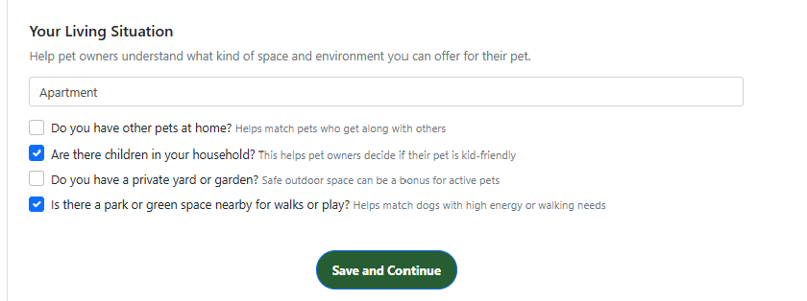
 |  |  |  | Other
 | Do you have other pets at home? | Helps match pets who get along with others | Radio buttons | Yes / No
 | Are there children in your household? | This helps pet owners decide if their pet is kid-friendly | Radio buttons | Yes / No
 | Do you have a private yard or garden? | Safe outdoor space can be a bonus for active pets | Radio buttons | Yes / No
 | Is there a park or green space nearby for walks or play? | Helps match dogs with high energy or walking needs | Radio buttons | Yes / No
 | Save and Continue |  | Button
 | When Are You Available to Care for a Pet? |  |  |  | Availability and Location
 | Tell us when you’re open to welcoming a pet into your routine — whether for a walk, a weekend, or longer.
 | Availability Calendar
 | Care Location Preference | Choose what suits your lifestyle and space | Radio buttons | At pet friend´s home
 |  |  |  | At pet owner´s home
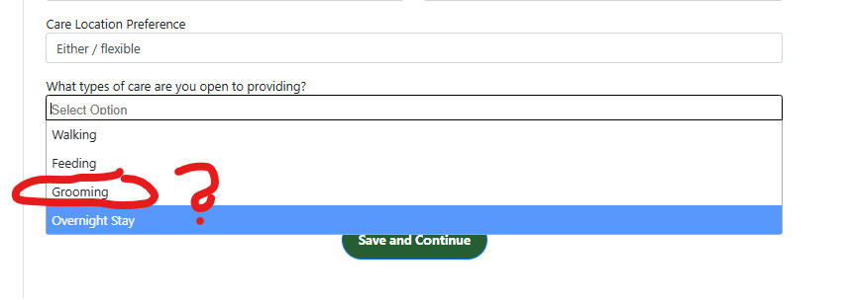
 |  |  |  | Either / flexible
 | What types of care are you open to providing? | Select all options you’d be happy to offer | multiselect | Walks
 |  |  |  | Daycare
 |  |  |  | Home visits
 |  |  |  | Feeding only
 |  |  |  | Play visits
 |  |  |  | Overnight care / 24h stay
 | Anything else about your availability? | e.g. “Available most weekends”, “On summer holiday during July”, “Only evenings after 18:00” | freeform
 | Address | e.g. Central Tallinn, Kalamaja – for approximate match | freeform?
 | Save My Profile |  | button

